Bug_1
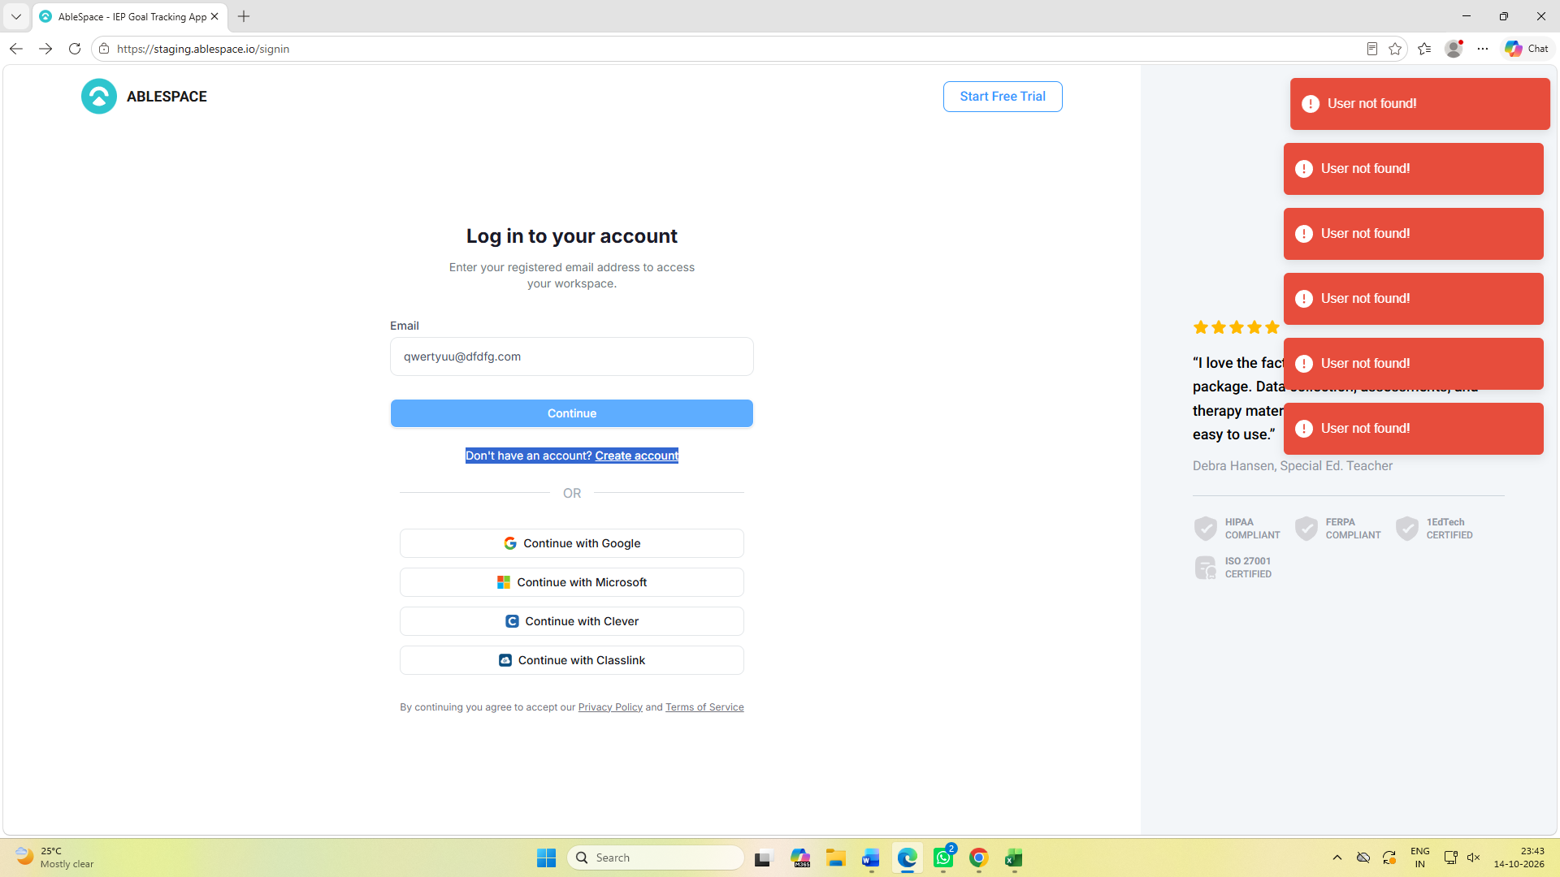
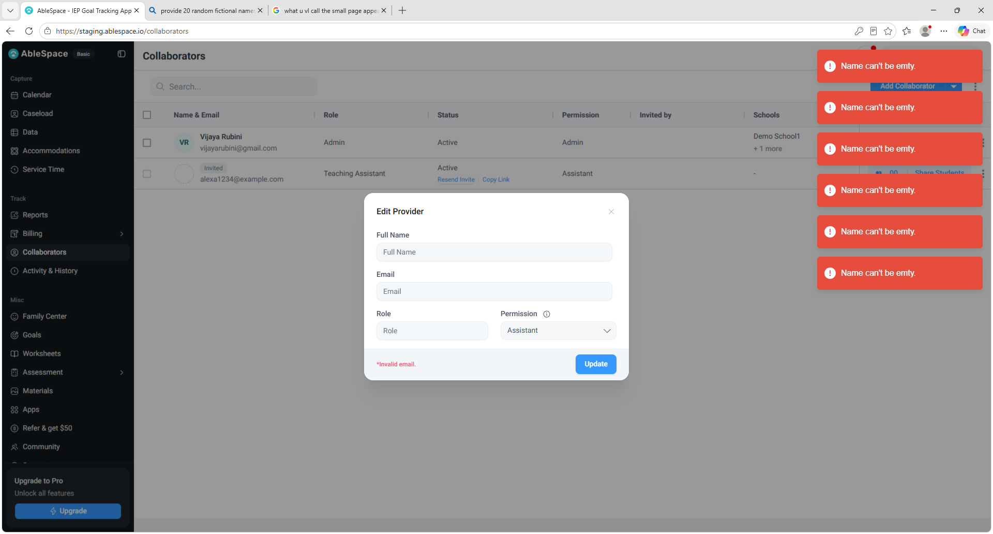
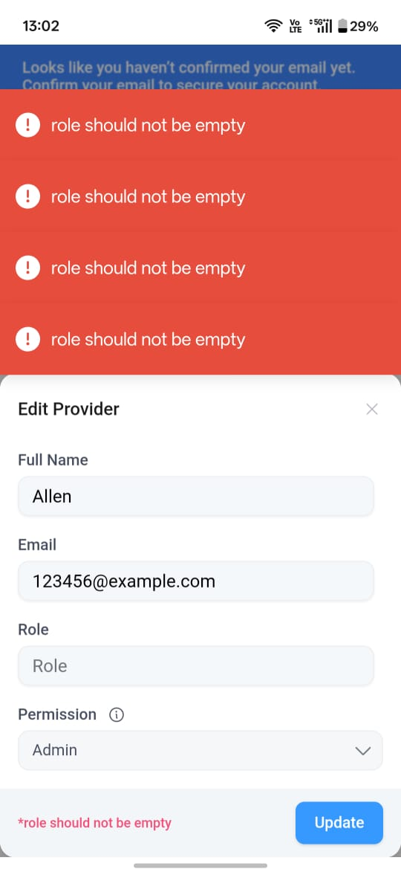
Bug ID | Title | Description | Steps to reproduce | Expected Result | Actual Result | Severity | Priority | Environment | Browser/Device | Reproducibility
1 | Duplicate error messages displayed on repeated clicks during negative scenarios like Login with Invalid email id, Update collaborators without providing name and Email id. | When an user repeatedly clicks an action button while performing an operation with invalid input , such as logging in with invalid credentials or updating a collaborator with invalid details, the application displayes duplicate error messages. | 1. Enter invalid mail id in the Email field in the ablespace application. 2.Click on the continue button continuously for multiple times. | Error message should be displayed only once. | User not found message is displayed as many times as the continue button is clicked. | Low | Medium | staging.ablespace.io | Chrome, Edge | Always

Bug_2
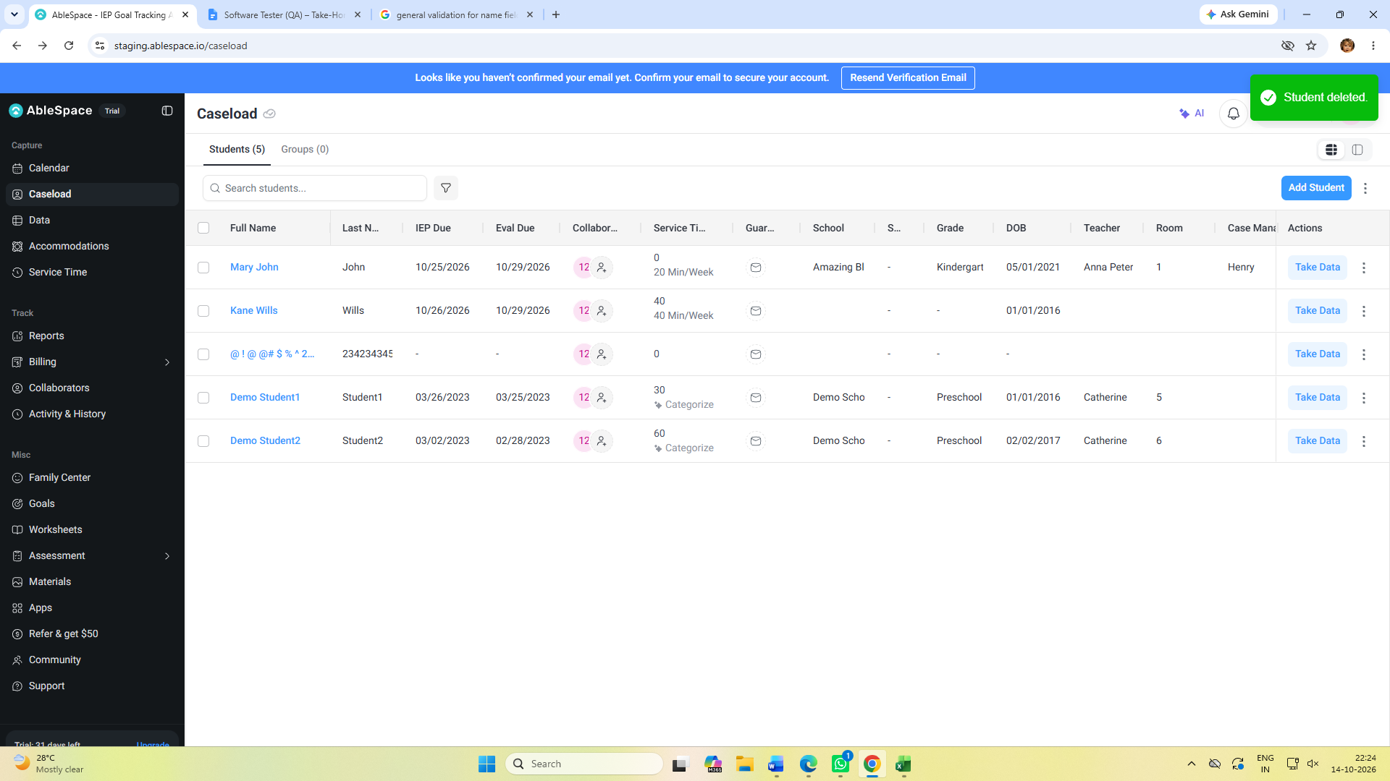
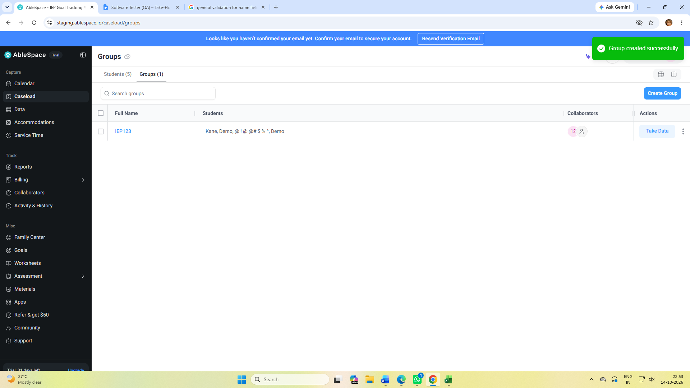
Bug ID | Title | Description | Steps to reproduce | Expected Result | Actual Result | Severity | Priority | Environment | Browser/Device | Reproducibility
2 | Caseload Page name is not consistent on changing the tabs presented in the page. | When the application is loaded the case load page is displayed with Students and Groups tab. The page name changed to Groups upon clicking on the Groups tab. | 1. The Caseload page is displayed. 2.Students,Groups tabs are available. 3.Click on the Groups tab | The page should be Caseload and the tab names should not be displayed. | The page name is changed to Groups upon clicking the Groups tab. But for students tab, the page name is Caseload only. | Low | Low | staging.ablespace.io | Chrome, Edge,Mobile | Always

Bug_3
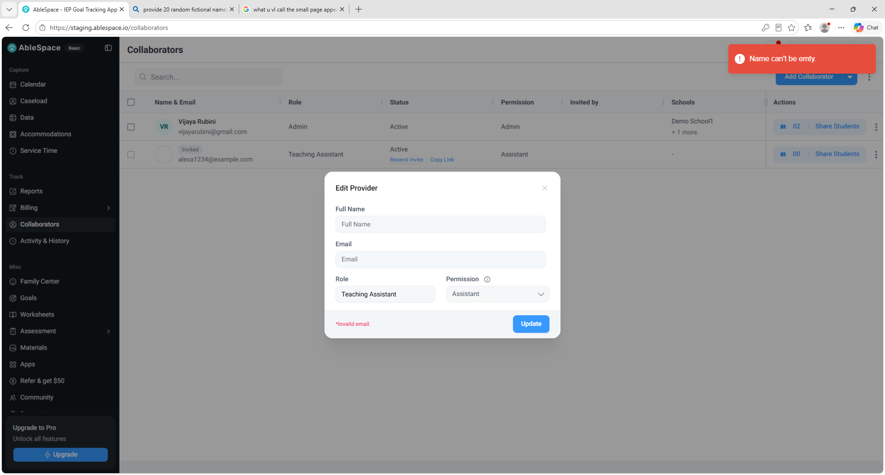
Bug ID | Title | Description | Steps to reproduce | Expected Result | Actual Result | Severity | Priority | Environment | Browser/Device | Reproducibility
3 | Spelling mistake in the error message for updating collaborator without providing the name. | When updating the collaborator without providing the name, the error message is displayed. But the spelling of empty in the message is mispelled as emty. | 1.Collaborators page is loaded. 2.Collaborators records are listed. 3.In the Actions column, click the three dots and select the Edit Collaborator option. 4.Edit provider popup will appear. 5.Click on update button without providing the Full Name. | Name can't be empty message should be displayed. | Name can't be emty error message is displayed. Here Empty spelling is misspelled. | Low | High | staging.ablespace.io | Chrome, Edge,Mobile | Always

Bug_4
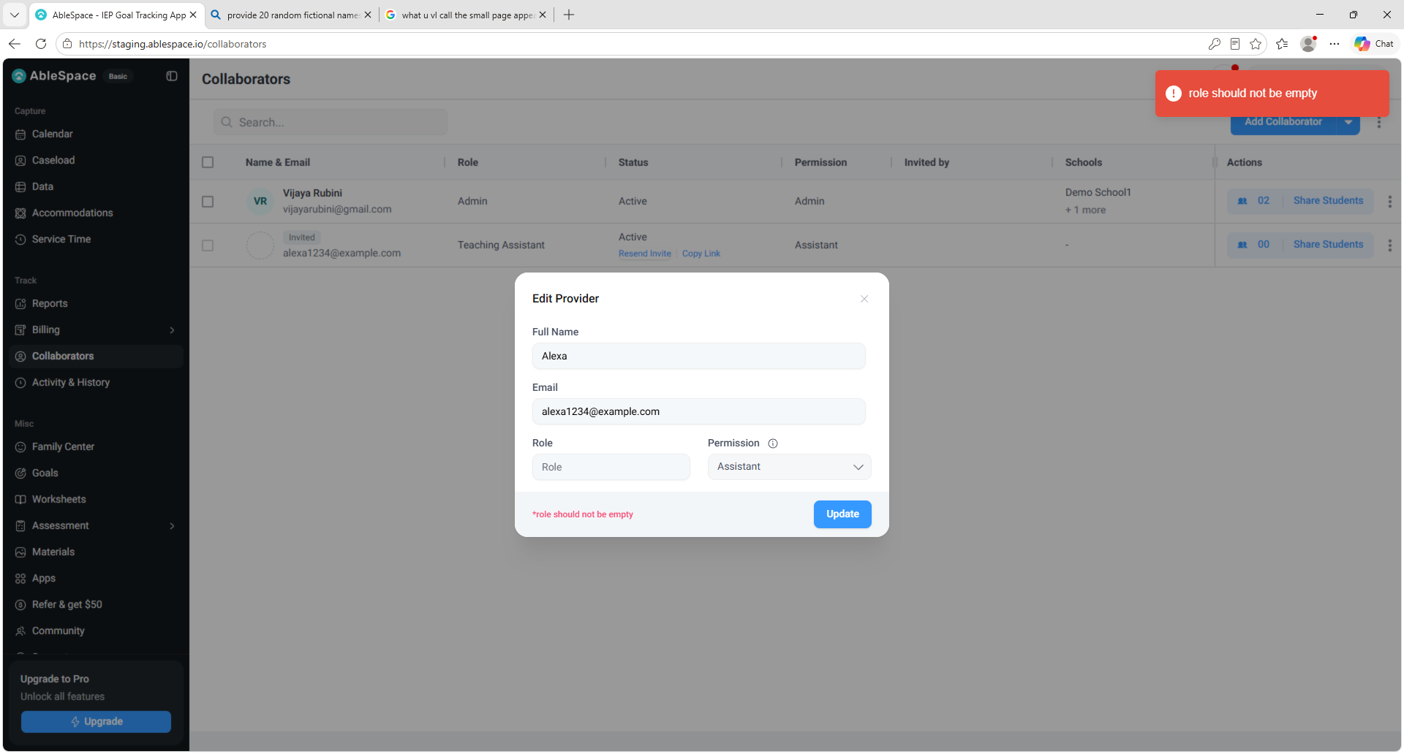
Bug ID | Title | Description | Steps to reproduce | Expected Result | Actual Result | Severity | Priority | Environment | Browser/Device | Reproducibility
4 | Inconsistency of error message appearance across the application.Error message is appeared in the popup as well as in the Collaborators page for Empty Role | When updating the collaborator without providing the name or role ,the error message is displayed in both the popup and in the application page. But for invalid Email, it is displayed only in the popup. | 1.Collaborators page is loaded. 2.Collaborators records are listed. 3.In the Actions column, click the three dots and select the Edit Collaborator option. 4.Edit provider popup will appear. 5.Click on update button without providing the Full Name or Role. | Error message should be displayed in the popup or in the main application page. This inconsistency of error message is displayed in many places across the application. | role should not be empty message is displayed in both the popup and in the main page. | Medium | Medium | staging.ablespace.io | Chrome, Edge,Mobile | Always

Bug_5
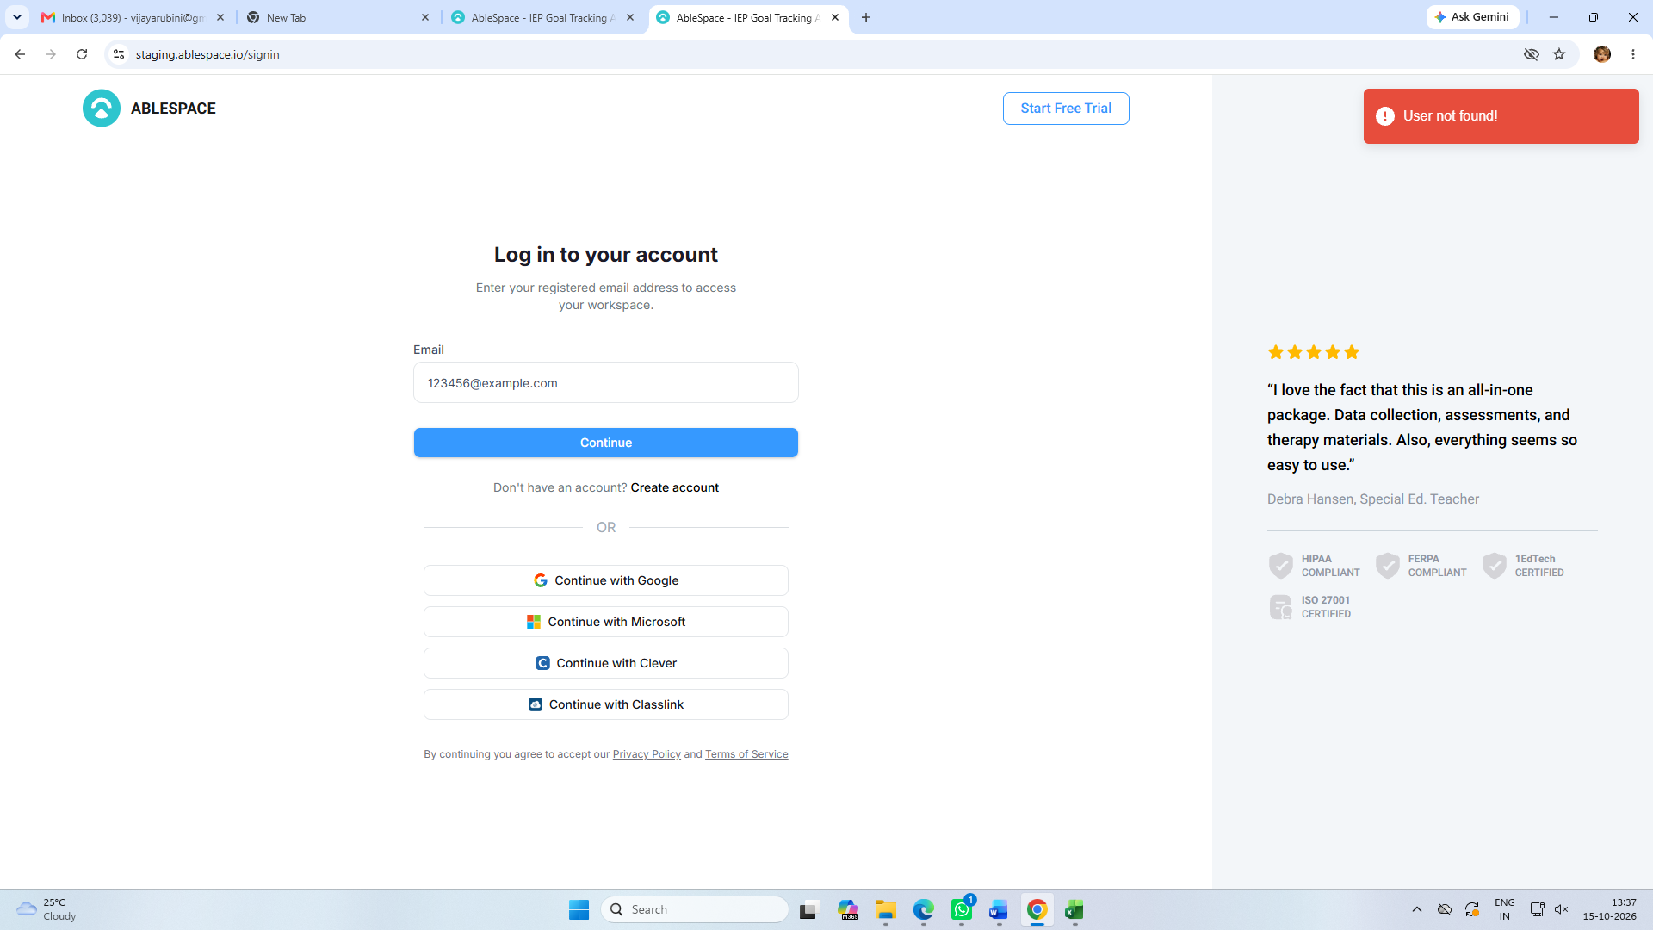
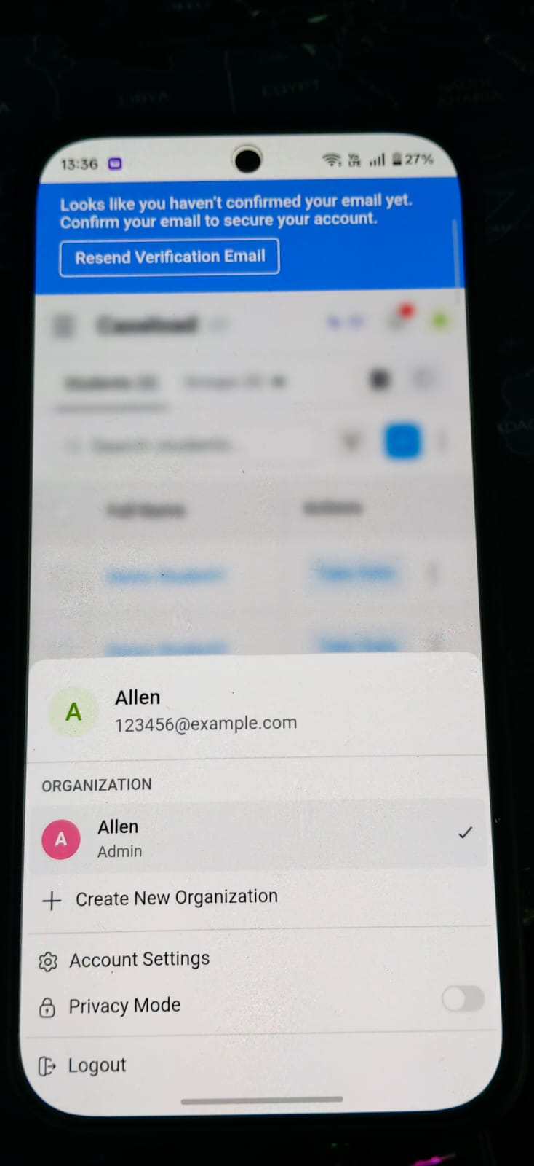
Bug ID | Title | Description | Steps to reproduce | Expected Result | Actual Result | Severity | Priority | Environment | Browser/Device | Reproducibility
5 | User is not able to login with the account created in the mobile application in any of the browsers in the system. | When user downloaded the application from Play store and created an account in the mobile, the same username is not accessible through the system browsers.The same issue with the username that created in the browser is not accessible in the mobile application. | 1.Create an account in the Mobile application. 2.Login with the same account in the browsers in the Laptop or PC. 3. Also try vice Versa(Create account in the system and try login with the same in Mobile application) | User should be able to Login across browsers and device with the same account. | User not found error message is displayed. | Critical | High | staging.ablespace.io | Chrome, Edge,Mobile | Always

